General Info
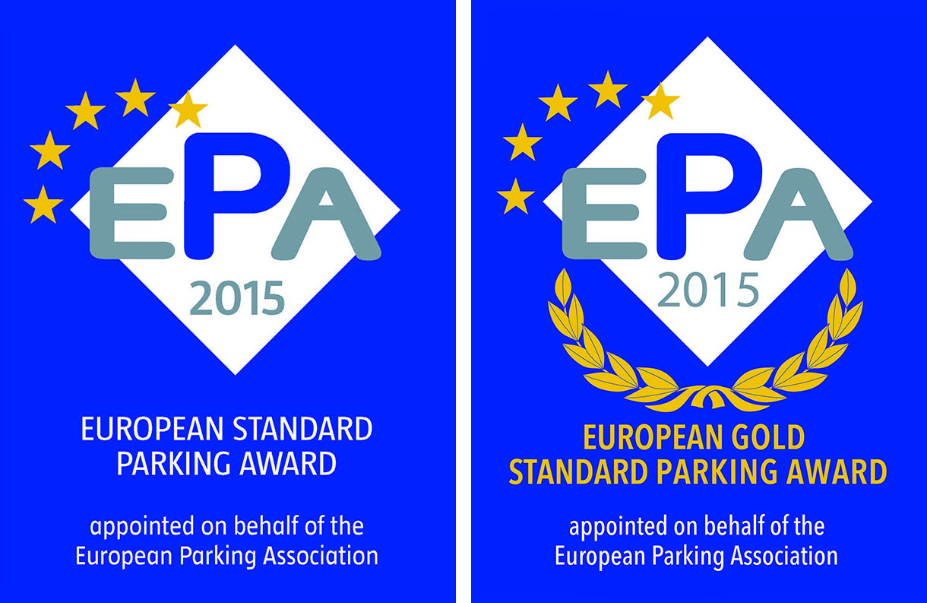
 |  | Date | 8-Sep-16
 |  | Language | English
 |  | Country

 | EUROPEAN STANDARD PARKING AWARD

Name of Car Park

Address

City

Operator

Contact Name

e-Mail |  | Phone

Judged by

Car Park Main Characteristics

Year of Construction

Number of Spaces

Number of Floors

Number of Lifts

Structure

Type

Access Control System

